Space (W)
Constraint Type 2 : Space (W)

Step 1) |  |  | A | B
Input the demand for Item A & B | Annual demand D |  | 10000 | 20000 |  | i (optional) | 0.2
 | Order cost K |  | 300 | 300
 | Unit Price c |  | 20 | 25
 | Holding cost (h) |  | 4 | 5
 | Storage space (w) required (sq ft/unit) |  | 3 | 4

 | Space limitation (W) (sq ft/unit) |  | 8000

Step 2) | EOQ A | 1224.7448714
Find EOQ & n of each Item | EOQ B | 1549.1933385

 | w A | 3674.2346142 |  | Total Space: | 9871.0079681
 | w B | 6196.7733539

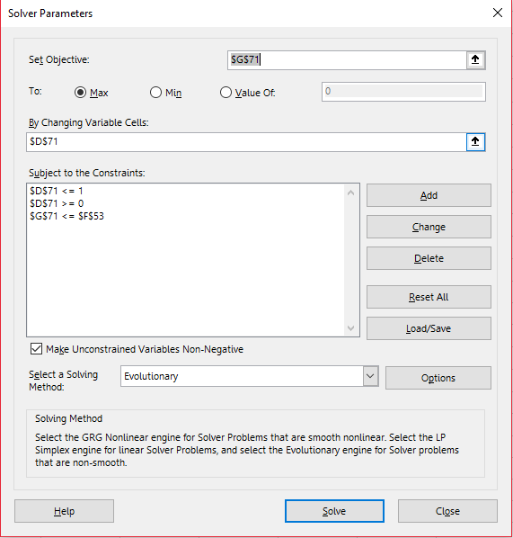
Step 3) | Violent the constraint : |  | TRUE
Check Constrain

 | λ | Q* a | Q* b | Space Required
 | 0.33438746404 | 999.47335098 | 1250.3989774 | 8000.0159624 |  |  | Find the best λ

Step 4) | Q* a | 999.47335098
Find Qa*, Qb* | Q* b | 1250.3989774

 |  |  |  |  |  |  |  | In fact, we need to set Qa QB >=0 too

Limitation of Budget (B)
Constraint Type 3 : Limitation of Budget (B)

Step 1) |  |  | A | B
Input the demand for Item A & B | Annual demand D |  | 10000 | 20000 |  | i (optional) | 0.2
 | Order cost K |  | 300 | 300
 | Unit Price c |  | 20 | 25
 | Holding cost (h) |  | 4 | 5

 | Limitation of budget(B) ($) |  | 50000

Step 2) | EOQ A | 1224.7448714
Find EOQ & n of each Item | EOQ B | 1549.1933385

 | w A | 24494.897428 |  | Total Budget: | 63224.73089
 | w B | 38729.833462

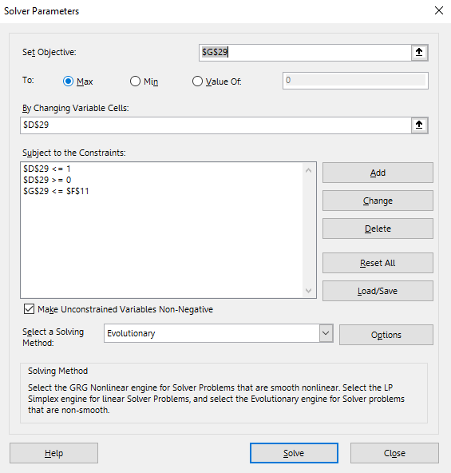
Step 3) | Violent the constraint : |  | TRUE
Check Constrain

 | λ | Q* a | Q* b | Budget used |  |  | Find the best λ
 | 0.059894538929 | 968.56509514 | 1225.1487051 | 50000.019531

Step 4) | Q* a | 968.56509514
Find Qa* Qb* | Q* b | 1225.1487051

 |  |  |  |  |  |  |  | In fact, we need to set Qa QB >=0 too

Tailored Aggregation
Option 3 : Tailored aggregation

Step 0) |  |  | A | B | C
Input the demand for Item A & B | Annual demand D |  | 12000 | 1200 | 120 | i (optional) | 0.2
 | Unit Price c |  | 500 | 500 | 500
 | Holding cost per unit h |  | 100 | 100 | 100
 | Common Ordering cost K |  |  | 4000
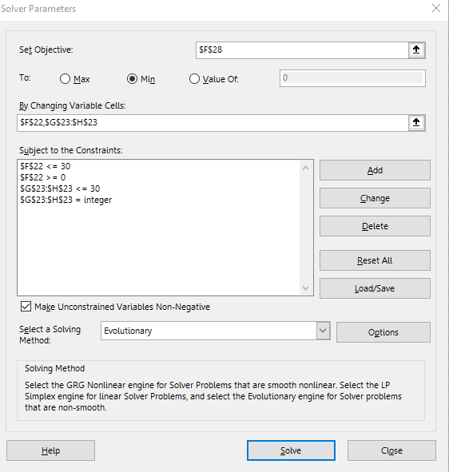
 | Individual Ordering cost |  | 1000 | 1000 | 1000
 | Ordering cost (k) |  |  | 7000

Step 1) | icⱼDⱼ/(2(S+sⱼ)) |  | 120 | 60 | 6
for each product j, calculatei cⱼDⱼ/(2(S+sⱼ))
and choose the item that yields the |  | so, product 1 = | A
largest value to be item 1

Step 2) | Qⱼ |  | 1046.136009 | 104.6136009 | 10.46136009
. Find the optimal n₁ and mⱼ | n₁ |  | 11.470783814
. Which give the lowest AIC | mⱼ |  | 1 | 2 | 5

Note: mⱼ >= 0, n₁ = integer

Result: | AIC |  | 63777.584267 | 16196.751998 | 4909.4967855
AIC | Total AIC + Total Common ordering cost |  | 130766.96831
 | ATC |  | 6063777.5843 | 616196.752 | 64909.496785
 | Total ATC |  | 6744883.833

 |  |  |  |  |  |  |  | Solve for n1 & mj

